School
Figure 1: Schools by Sector, 2010-11 to 2012-13

Figure 2: Schools by Region, 2010-11 to 2012-13

1.Number of Schools by Region, 2010-11 to 2012-13
Region | 2010-11 | 2011-12 | 2012-13
Total Emirate | 480 | 451 | 450
Abu Dhabi Region | 241 | 242 | 240
Al Ain Region | 187 | 168 | 168
Al Gharbia | 52 | 41 | 42
Source: Abu Dhabi Education Council

2. Number of Schools by Sector, 2010-11 to 2012-13
Sector | 2010-11 | 2011-12 | 2012-13
Total Emirate | 480 | 451 | 450
Government | 299 | 268 | 265
Private | 181 | 183 | 185
Source: Abu Dhabi Education Council

3. Number of Schools by Region, Sector and Education Stage, 2012-13
Region & Sector | Education Stage
 | Kindergarten | Cycle 1 | Cycle 2 | Secondary | Multi-Stage | Total
Total Emirate | 57 | 77 | 46 | 33 | 237 | 450
Government | 51 | 77 | 46 | 33 | 58 | 265
Private | 6 | 0 | 0 | 0 | 179 | 185
Abu Dhabi Region | 31 | 37 | 27 | 21 | 124 | 240
Government | 26 | 37 | 27 | 21 | 12 | 123
Private | 5 | 0 | 0 | 0 | 112 | 117
Al Ain Region | 20 | 31 | 18 | 11 | 88 | 168
Government | 19 | 31 | 18 | 11 | 32 | 111
Private | 1 | 0 | 0 | 0 | 56 | 57
Al Gharbia | 6 | 9 | 1 | 1 | 25 | 42
Government | 6 | 9 | 1 | 1 | 14 | 31
Private | 0 | 0 | 0 | 0 | 11 | 11
Source: Abu Dhabi Education Council

4.Private Schools by Curriculum, 2010-11 to 2012-13
Curriculum | 2010-11 | 2011-12 | 2012-13
Total | 181 | 183 | 185
Ministry of Education | 48 | 46 | 48
Abu Dhabi Education Council | 3 | 1 | 0
English National Curriculum (British) | 34 | 36 | 37
Indian | 27 | 29 | 29
American | 32 | 37 | 38
International | 9 | 9 | 10
Pakistani | 5 | 5 | 4
Canadian | 2 | 2 | 2
Philippines | 7 | 3 | 3
French | 2 | 2 | 2
Iranian | 2 | 2 | 2
Bangladeshi | 1 | 1 | 1
German | 1 | 1 | 1
Japanese | 1 | 1 | 1
English Medium | 3 | 4 | 3
International Baccalaureate Organization | 2 | 2 | 2
SABIS System | 2 | 2 | 2
Source: Abu Dhabi Education Council

Figure 3: Classrooms by Sector, 2010-11 to 2012-13
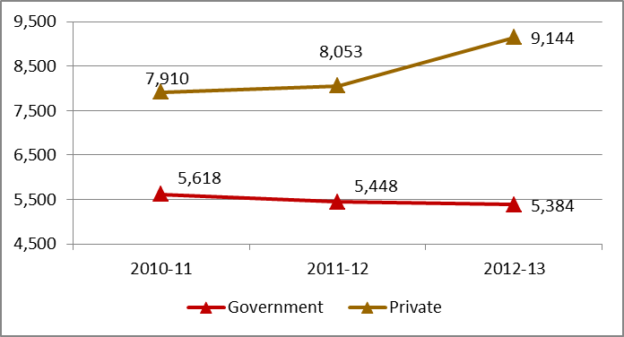

Source: Statistics Centre - Abu Dhabi, Abu Dhabi Education Council

Figure 4: Percentage Distribution of Classrooms by Region, 2010-11 to 2012-13

Source: Statistics Centre - Abu Dhabi, Abu Dhabi Education Council

5. Percentage Distribution of Classrooms by Region , 2010-11 to 2012-13
Region | 2010-11 | 2011-12 | 2012-13
Total Emirate | 13,528 | 13,501 | 14,528
 | Percentage
 | 100.0 | 100.0 | 100.0
Abu Dhabi Region | 56.5 | 58.1 | 58.1
Al Ain Region | 36.9 | 35.5 | 35.4
Al Gharbia | 6.6 | 6.4 | 6.5
Source: Statistics Centre - Abu Dhabi, Abu Dhabi Education Council

6. Percentage Distribution of Classrooms bySector, 2010-11 to 2012-13
Sector | 2010-11 | 2011-12 | 2012-13
Total Emirate | 13,528 | 13,501 | 14,528
 | Percentage
 | 100.0 | 100.0 | 100.0
Government Education | 41.5 | 40.4 | 37.1
Private Education | 58.5 | 59.6 | 62.9
Source: Statistics Centre - Abu Dhabi, Abu Dhabi Education Council

all Students
Figure 5: Pupils by Sector, 2010-11 to 2012-13
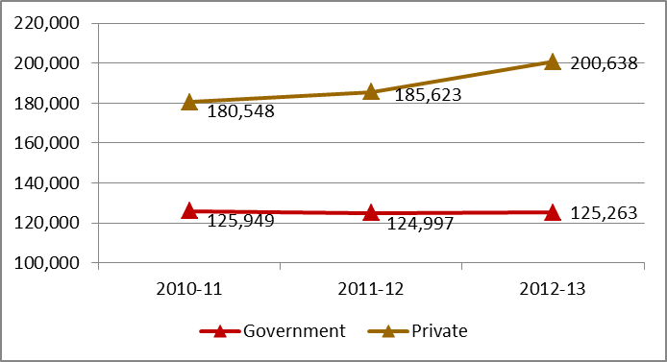

Source: Statistics Centre - Abu Dhabi, Abu Dhabi Education Council

Figure 6: Percentage Distribution of Pupils by Region, 2010-11 to 2012-13

Source: Statistics Centre - Abu Dhabi, Abu Dhabi Education Council

7. Percentage Distribution of Pupils by Region, 2010-11 to 2012-13
Region | 2010-11 | 2011-12 | 2012-13
Total Emirate | 306,497 | 310,620 | 325,901
 | Percentage
 | 100.0 | 100.0 | 100.0
Abu Dhabi Region | 60.1 | 60.6 | 60.7
Al Ain Region | 34.4 | 33.9 | 33.8
Al Gharbia | 5.5 | 5.4 | 5.5
Source: Statistics Centre - Abu Dhabi, Abu Dhabi Education Council

8. Percentage Distribution of Pupils by Sector, 2010-11 to 2012-13
Sector | 2010-11 | 2011-12 | 2012-13
Total Emirate | 306,497 | 310,620 | 325,901
 | Percentage
 | 100.0 | 100.0 | 100.0
Government Education | 41.1 | 40.2 | 38.4
Private Education | 58.9 | 59.8 | 61.6
Source: Statistics Centre - Abu Dhabi, Abu Dhabi Education Council

9.A. Percentage of Pupils Enrolled in Ghovernment Education to All Pupils by Region, 2010-11 to 2012-13
Region | 2010-11 | 2011-12 | 2012-13
 | Percentage
Total Emirate | 41.1 | 40.2 | 38.4
Abu Dhabi Region | 33.9 | 33.0 | 31.5
Al Ain Region | 49.1 | 49.6 | 47.8
Al Gharbia | 69.1 | 63.0 | 57.1
Source: Statistics Centre - Abu Dhabi, Abu Dhabi Education Council

9.B. Percentage of Pupils Enrolled in Private Education to All Pupils by Region, 2010-11 to 2012-13
Region | 2010-11 | 2011-12 | 2012-13
 | Percentage
Total Emirate | 58.9 | 59.8 | 61.6
Abu Dhabi Region | 66.1 | 67.0 | 68.5
Al Ain Region | 50.9 | 50.4 | 52.2
Al Gharbia | 30.9 | 37.0 | 42.9
Source: Statistics Centre - Abu Dhabi, Abu Dhabi Education Council

10. Pupils per Classroom by Region, 2010-11 to 2012-13
Region | 2010-11 | 2011-12 | 2012-13
Total Emirate | 22.7 | 23.0 | 22.4
Abu Dhabi Region | 24.1 | 24.0 | 23.4
Al Ain Region | 21.1 | 22.0 | 21.5
Al Gharbia | 19.0 | 19.5 | 18.8
Source: Statistics Centre - Abu Dhabi, Abu Dhabi Education Council

11. Pupils per Teacher by Region, 2010-11 to 2012-13
Region | 2010-11 | 2011-12 | 2012-13
Total Emirate | 13.8 | 14.0 | 14.4
Abu Dhabi Region | 15.0 | 14.9 | 15.3
Al Ain Region | 12.6 | 13.2 | 13.7
Al Gharbia | 10.5 | 10.8 | 11.1
Source: Statistics Centre - Abu Dhabi, Abu Dhabi Education Council

12. Ratio of Female Pupils to Male Pupils in Government and Private Schools, 2010-11 to 2012-13
Region | 2010-11 | 2011-12 | 2012-13
 | female pupils per 100 male pupils
Total Emirate | 95.9 | 95.8 | 96.0
Abu Dhabi Region | 96.4 | 96.4 | 96.4
Al Ain Region | 94.7 | 94.4 | 95.1
Al Gharbia | 97.0 | 97.4 | 96.5
Source: Statistics Centre - Abu Dhabi, Abu Dhabi Education Council

13. Pupils by Region, Citizenship and Gender, 2010-11 to 2012-13
Region, Citizenship and Gender | 2010-11 | 2011-12 | 2012-13
Total Emirate | 306,479 | 310,620 | 325,901
Citizens | 135,684 | 139,734 | 144,931
Male | 68,044 | 70,336 | 72,935
Female | 67,640 | 69,398 | 71,996
Non - Citizens | 170,795 | 170,886 | 180,970
Male | 88,425 | 88,331 | 93,349
Female | 82,370 | 82,555 | 87,621
Abu Dhabi Region | 184,147 | 188,389 | 197,780
Citizens | 72,154 | 74,967 | 78,121
Male | 36,155 | 37,775 | 39,394
Female | 35,999 | 37,192 | 38,727
Non - Citizens | 111,993 | 113,422 | 119,659
Male | 57,598 | 58,153 | 61,284
Female | 54,395 | 55,269 | 58,375
Al Ain Region | 105,358 | 105,319 | 110,314
Citizens | 56,074 | 57,575 | 59,426
Male | 28,177 | 29,023 | 29,845
Female | 27,897 | 28,552 | 29,581
Non - Citizens | 49,284 | 47,744 | 50,888
Male | 25,923 | 25,149 | 26,701
Female | 23,361 | 22,595 | 24,187
Al Gharbia | 16,974 | 16,912 | 17,807
Citizens | 7,456 | 7,192 | 7,384
Male | 3,712 | 3,538 | 3,696
Female | 3,744 | 3,654 | 3,688
Non - Citizens | 9,518 | 9,720 | 10,423
Male | 4,904 | 5,029 | 5,364
Female | 4,614 | 4,691 | 5,059
Source: Abu Dhabi Education Council.

National Students
Figure 7: Pupils by Citizenship, 2010-11 to 2012-13
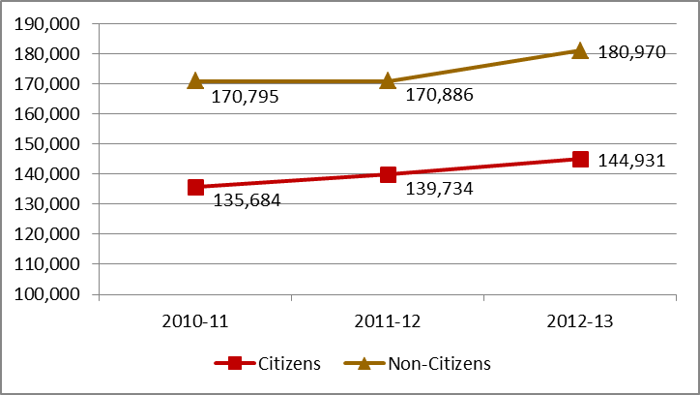

Source: Statistics Centre - Abu Dhabi, Abu Dhabi Education Council

14.Percentage Distribution of Citizen Pupils by Region, 2010-11 to 2012-13
Region | 2010-11 | 2011-12 | 2012-13
Total Emirate | 135,684 | 139,734 | 144,931
 | Percentage
 | 100.0 | 100.0 | 100.0
Abu Dhabi Region | 53.2 | 53.6 | 53.9
Al Ain Region | 41.3 | 41.2 | 41.0
Al Gharbia | 5.5 | 5.1 | 5.1
Source: Statistics Centre - Abu Dhabi, Abu Dhabi Education Council

15.Percentage Distribution of Citizen Pupils by Sector, 2010-11 to 2012-13
Sector | 2010-11 | 2011-12 | 2012-13
Total Emirate | 135,684 | 139,734 | 144,931
 | Percentage
 | 100.0 | 100.0 | 100.0
Government Education | 68.1 | 67.2 | 66.2
Private Education | 31.9 | 32.8 | 33.8
Source: Statistics Centre - Abu Dhabi, Abu Dhabi Education Council

16. Ratio of Citizen Pupils to Non-Citizen Pupils in the Government and Private Schools by Region, 2010-11 to 2012-13
Region | 2010-11 | 2011-12 | 2012-13
 | citizen pupils per 100 non-citizen pupils
Total Emirate | 79.4 | 81.8 | 80.1
Abu Dhabi Region | 64.4 | 66.1 | 65.3
Al Ain Region | 113.8 | 120.6 | 116.8
Al Gharbia | 78.3 | 74.0 | 70.8
Source: Statistics Centre - Abu Dhabi, Abu Dhabi Education Council
...

Staff
19.Teachers by Sector, 2010-11 to 2012-13
Sector | 2010-11 | 2011-12 | 2012-13
Total Emirate | 22,218 | 22,184 | 22,573
Government Education | 11,384 | 10,451 | 10,812
Private Education | 10,834 | 11,733 | 11,761
Source: Abu Dhabi Education Council

Figure 8: Teachers by Sector, 2010-11 to 2012-13

Source: Statistics Centre - Abu Dhabi, Abu Dhabi Education Council

20. Teachers in Government Schools by Region, Citizenship and Gender, 2010-11 to 2012-13
Region, Citizenship and Gender | 2010-11 | 2011-12 | 2012-13
Total Emirate | 11,384 | 10,451 | 10,812
Citizens | 4,200 | 3,956 | 4,265
Male | 485 | 459 | 489
Female | 3,715 | 3,497 | 3,776
Non - Citizens | 7,184 | 6,495 | 6,547
Male | 3,869 | 3,096 | 2,901
...
24.Administrators and Technicians Staff by Region, Gender and Sector, 2012-13
Female | 528 | 2,149 | 2,677
Al Ain Region | 1,043 | 2,152 | 3,195
Male | 325 | 908 | 1,233
Female | 718 | 1,244 | 1,962
Al Gharbia | 244 | 242 | 486
Male | 77 | 97 | 174
Female | 167 | 145 | 312
Source: Abu Dhabi Education Council

Figure 9: Administrators and Technicians by Region, 2010-11 to 2012-13
 | Government Education | Private Education
Abu Dhabi Region | 831 | 3,961
Al Ain Region | 1,043 | 2,152
Al Gharbia | 244 | 242

Source: Statistics Centre - Abu Dhabi, Abu Dhabi Education Council
25. Percentage Distribution of Administrators and Technicians Staff by Region, 2010-11 to 2012-13
Region | 2010-11 | 2011-12 | 2012-13
Total Emirate | 8,107 | 8,890 | 8,473
 | Percentage
 | 100.0 | 100.0 | 100.0
Abu Dhabi Region | 56.0 | 56.5 | 56.6
Al Ain Region | 39.8 | 38.6 | 37.7
Al Gharbia | 4.2 | 4.9 | 5.7
Source: Statistics Centre - Abu Dhabi, Abu Dhabi Education Council

special need
...
27. Percentage Distribution of Special Need Students in Government Education by Region, 2010-11 to 2012-13
Total Emirate | 3,586 | 3,588 | 4,488
 | Percentage
 | 100.0 | 100.0 | 100.0
Abu Dhabi Region | 64.3 | 64.3 | 62.5
Al Ain Region | 31.7 | 31.7 | 25.7
Al Gharbia | 4.0 | 4.0 | 11.7
Source: Statistics Centre - Abu Dhabi, Abu Dhabi Education Council

Figure 10: Percentage Distribution of Special Needs Students in Government Education by Region, 2010-11 to 2012-13

Source: Statistics Centre - Abu Dhabi, Abu Dhabi Education Council

28.Special Need Students in Government Education by Disabilities Type and Region, 2012-13
Disabilities Type | Abu Dhabi Region | Al Ain Region | Al Gharbia | Total
Total Emirate | 2,807 | 1,154 | 527 | 4,488
Students with learning disabilities | 2,020 | 870 | 461 | 3,351
Visually impaired students | 73 | 59 | 4 | 136
Students with hearing disabilities | 125 | 77 | 10 | 212
Students of speech and language disorders | 390 | 60 | 12 | 462
Students with Physically disabled | 73 | 33 | 7 | 113
...

Participation in schooling
...
31. Net Enrolment Ratio by Educational Stage and Gender , 2012-13
Educational Stage | Males | Females | Total
Kindergarten | 62.3 | 63.5 | 62.9
Cycle1 | 90.9 | 93.5 | 92.2
Cycle2 | 82.0 | 84.8 | 83.3
Secondary | 65.7 | 68.8 | 67.2
Source: Statistics Centre - Abu Dhabi, Abu Dhabi Education Council

Figure 11: Gross and Net enrolment ratio (%) by Educational Stage, 2012-13
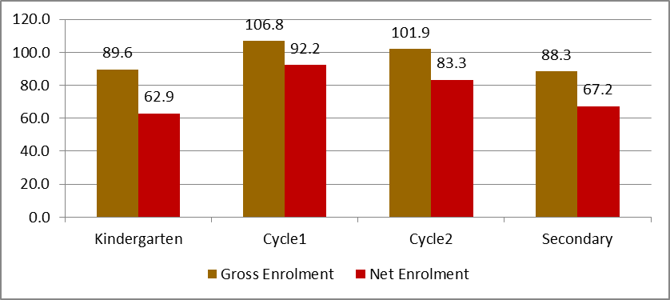

Source: Statistics Centre - Abu Dhabi, Abu Dhabi Education Council

32. Progression to Secondary School in per cent by Gender, 2010-11 to 2012-13
Gender | 2010-11 | 2011-12 | 2012-13
Total | 99.2 | 92.0 | 92.4
Males | 97.2 | 90.6 | 91.5
Females | 101.3 | 93.4 | 93.4
Source: Statistics Centre - Abu Dhabi, Abu Dhabi Education Council

IAT
...
38.Institute of Applied Technology Graduates by Study Field, 2009-10 to 2011-12
Study Field | 2009-10 | 2010-11 | 2011-12
Total Emirate | 291 | 241 | 448
Automation and Mechatronics | 145 | 0 | 0
Applied Engineering | 0 | 121 | 222
Engineering Science | 95 | 63 | 120
Health Science Technology | 0 | 0 | 28
Information & Communication technology | 51 | 57 | 78
Source: Institute of Applied Technology

Figure 12: Institute of Applied Technology Graduates by Study Field, 2009-10 to 2011-12

Source: Statistics Centre - Abu Dhabi, Institute of Applied Technology

39.Percentage Distribution of Teachers in Institute of Applied Technology by Region, 2009-10 to 2011-12
Region | 2009-10 | 2010-11 | 2011-12
Total Emirate | 87 | 150 | 212
 | Percentage
 | 100.0 | 100.0 | 100.0
Abu Dhabi Region | 42.5 | 27.3 | 51.4
Al Ain Region | 57.5 | 72.7 | 48.6
...

Higher Ed.
...
45.Higher Education Students by Sector , 2009-10 to 2011-12
Sources: Ministry of Higher Education and Scientific Research,UAE University, Zayed University, Higher College of Technology

46.Higher Education Graduates by Sector , 2009-10 to 2011-12
Sector | 2009-10 | 2010-11 | 2011-12
Total | 6,507 | 6,377 | 7,249
Government | 3,588 | 3,200 | 3,332
Private | 2,919 | 3,177 | 3,917
Sources: Ministry of Higher Education and Scientific Research,UAE University, Zayed University, Higher College of Technology

Figure 13: Higher Education Graduates by Sector, 2009-10 to 2011-12

Sources: Statistics Centre - Abu Dhabi, Ministry of Higher Education and Scientific Research, UAE University, Zayed University, Higher College of Technology
47. Percentage Distribution of Higher Education Students by Citizenship, Sector and Gender, 2011-12
Citizenship and Sector | Males | Females | Total
Total | 100.0 | 100.0 | 100.0
Government | 41.4 | 61.5 | 53.5
Private | 58.6 | 38.5 | 46.5
Citizens | 100.0 | 100.0 | 100.0
Government | 49.4 | 71.9 | 63.3
Private | 50.6 | 28.1 | 36.7
Non - Citizens | 100.0 | 100.0 | 100.0
...

adult Education
...
55.Percentage Distribution of Teachers in Literacy Centres and Adult Education by Region, 2010-11 to 2012-13
Region | 2010-11 | 2011-12 | 2012-13
Total Emirate | 250 | 255 | 252
 | Percentage
 | 100.0 | 100.0 | 100.0
Abu Dhabi Region | 31.6 | 34.1 | 32.1
Al Ain Region | 33.2 | 31.8 | 34.1
Al Gharbia | 35.2 | 34.1 | 33.7
Source: Statistics Centre - Abu Dhabi, Abu Dhabi Education Council

Figure 14: Percentage Distribution of Teachers in Literacy Centres and Adult Education by Region, 2011-12 and 2012-13

Source: Statistics Centre - Abu Dhabi, Abu Dhabi Education Council

56.Teachers in Literacy Centres and Adult Education by Region, Citizenship and Gender, 2010-11 to 2012-13
Region,Citizenship and Gender | 2010-11 | 2011-12 | 2012-13
Total Emirate | 250 | 255 | 252
Citizens | 137 | 156 | 165
Male | 4 | 4 | 3
Female | 133 | 152 | 162
Non - Citizens | 113 | 99 | 87
Male | 16 | 23 | 17
...

